Sheet1
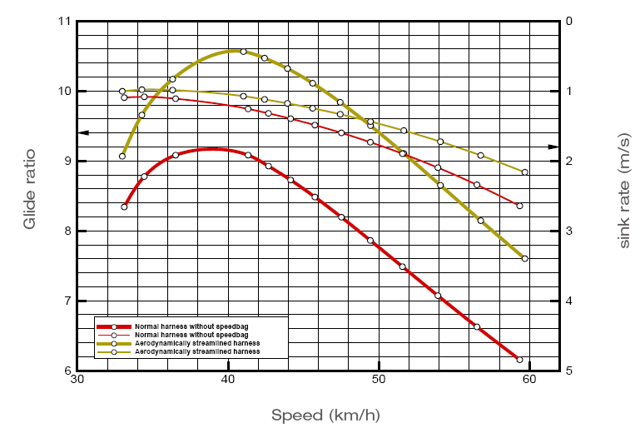
 |  |  | Calculated Glide
Polar Curve |  |  | Head Wind | Descend Rate-Netto | MC Cready Setting | Speed Bar
Aispeed | Descent Rate | Glide Ratio | 10 | 0 | 1.5
60 | 2.20 | 7.58 | 6.31 | 6.31 | 3.75 | 4
59 | 2.10 | 7.80 | 6.48 | 6.48 | 3.78
58 | 2.00 | 8.06 | 6.67 | 6.67 | 3.81
57 | 1.95 | 8.12 | 6.70 | 6.70 | 3.78
56 | 1.85 | 8.41 | 6.91 | 6.91 | 3.81
55 | 1.79 | 8.54 | 6.98 | 6.98 | 3.80 | 3
54 | 1.70 | 8.82 | 7.19 | 7.19 | 3.82
53 | 1.65 | 8.92 | 7.24 | 7.24 | 3.79
52 | 1.60 | 9.03 | 7.29 | 7.29 | 3.76
51 | 1.50 | 9.44 | 7.59 | 7.59 | 3.80
50 | 1.45 | 9.58 | 7.66 | 7.66 | 3.77 | 2
49 | 1.43 | 9.55 | 7.60 | 7.60 | 3.70
48 | 1.40 | 9.52 | 7.54 | 7.54 | 3.64
47 | 1.33 | 9.85 | 7.76 | 7.76 | 3.64
46 | 1.25 | 10.22 | 8.00 | 8.00 | 3.64
45 | 1.23 | 10.20 | 7.94 | 7.94 | 3.57 | 1
44 | 1.20 | 10.19 | 7.87 | 7.87 | 3.50
43 | 1.15 | 10.39 | 7.97 | 7.97 | 3.46
42 | 1.10 | 10.61 | 8.08 | 8.08 | 3.42
41 | 1.08 | 10.59 | 8.01 | 8.01 | 3.34
40 | 1.05 | 10.58 | 7.94 | 7.94 | 3.27
39 | 1.03 | 10.57 | 7.86 | 7.86 | 3.19
38 | 1.00 | 10.56 | 7.78 | 7.78 | 3.11
37 | 1.00 | 10.28 | 7.50 | 7.50 | 3.00
36 | 1.00 | 10.00 | 7.22 | 7.22 | 2.89
35 | 0.97 | 10.02 | 7.16 | 7.16 | 2.81
34 | 0.95 | 9.94 | 7.02 | 7.02 | 2.72
33 | 0.95 | 9.65 | 6.73 | 6.73 | 2.61
32 | 0.95 | 9.36 | 6.43 | 6.43 | 2.49
31 | 0.95 | 9.06 | 6.14 | 6.14 | 2.38
30 | 0.96 | 8.73 | 5.82 | 5.82 | 2.26
29 | 0.96 | 8.39 | 5.50 | 5.50 | 2.15
28 | 0.98 | 7.94 | 5.10 | 5.10 | 2.02
27 | 1.00 | 7.50 | 4.72 | 4.72 | 1.89
26 | 1.05 | 6.88 | 4.23 | 4.23 | 1.74
25 | 1.13 | 6.17 | 3.70 | 3.70 | 1.59
24 | 1.25 | 5.33 | 3.11 | 3.11 | 1.41

